Sheet1
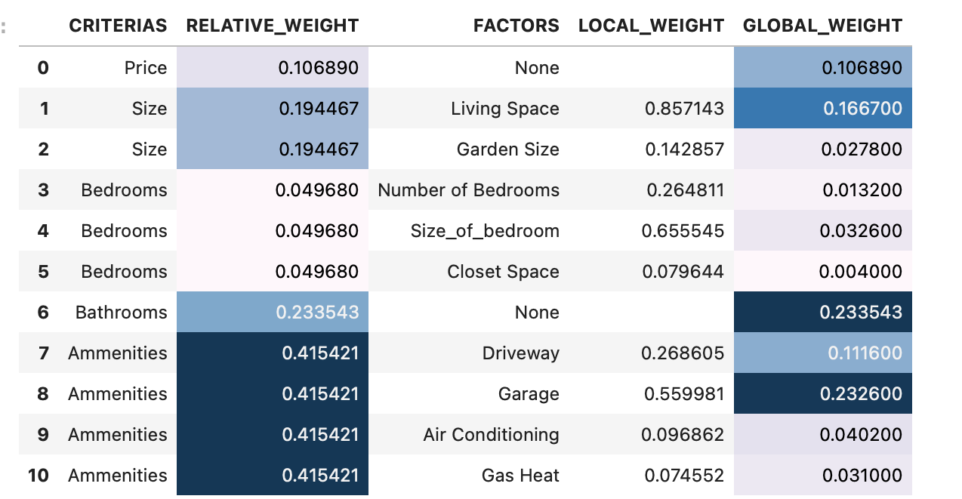
 | CRITERIAS | RELATIVE_WEIGHT | FACTORS | LOCAL_WEIGHT | GLOBAL_WEIGHT
0 | Price | 0.10689 | None |  | 0.10689
1 | Size | 0.194467 | Living Space | 0.857143 | 0.1667
2 | Size | 0.194467 | Garden Size | 0.142857 | 0.0278
3 | Bedrooms | 0.04968 | Number of Bedrooms | 0.264811 | 0.0132
4 | Bedrooms | 0.04968 | Size_of_bedroom | 0.655545 | 0.0326
5 | Bedrooms | 0.04968 | Closet Space | 0.079644 | 0.004
6 | Bathrooms | 0.233543 | None |  | 0.233543
7 | Ammenities | 0.415421 | Driveway | 0.268605 | 0.1116
8 | Ammenities | 0.415421 | Garage | 0.559981 | 0.2326
9 | Ammenities | 0.415421 | Air Conditioning | 0.096862 | 0.0402
10 | Ammenities | 0.415421 | Gas Heat | 0.074552 | 0.031

 | Criteria | GLOBAL_WEIGHT
 | Price | 0.10689
 | Size_Living Space | 0.1667
 | Size_Garden Size | 0.0278
 | Bedrooms_number of bedrooms | 0.0132
 | Bedrooms_size_of_bedroom | 0.0326
 | Bedrooms_closet_space | 0.004
 | Bathrooms | 0.233543
 | Amenities_driveway | 0.1116
 | Amenities_garage | 0.2326
 | Amenities_air_conditioning | 0.0402
 | Amenities_gas_heat | 0.031

